Q3
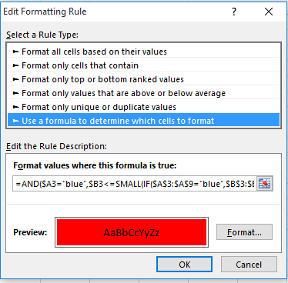
Highlight 3 smallest values with criteria with blue color

Color | amount
blue | 10
red | 23
blue | 45
blue | 34
red | 67
green | 98
blue | 42

